FormatFromClient
Accounts Receivables Aging Report
Client Number | Matter Number | Accounting Phone Number | Class | Case Category | Case Sub- Category | Matter Open Date | Client Name | Matter Name | Total Amount Due | Current | 31-60 | 61-90 | 91-120 | Over 120 | Last Payment Date | Retainer/Flat FeeReceived | Billing notes/field requied | Trust fund Balance

 | Filters(multiple) | Class
 |  | Case Category
 |  | Case Sub Category
 |  | Client Number
 |  | Matter Number
 |  | Client Name
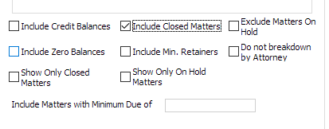
 |  | Matter Name
 |  | Total Amount due
 |  | Credit balances
 |  | Days Aging
 |  | Time keepers
 |  | Matter Status | Active/Inactive

Billing Report
Class | Billing Mode | Billing Date | Posting Date | Client Number | Client Name | Matter Number | Matter Name | Invoice #s | Fees billed | HC Billed | SC Billed | Misc Debits | Misc Credits | Total Billed | Total Hours

 | Filter(Ability to chose multiple filters) | Class
 |  | Case Category
 |  | Case Sub Category
 |  | Billing Date
 |  | Posting Date
 |  | Client Name/Number
 |  | Matter Name/Number
 |  | Timekeepers
 |  | Closed/Open Matters

Work in Progress - Aged Report for Prebills validation
Class | Billing Mode | Client Number | Client Name | Matter Number | Matter Name/Desc | Fees | Hard Cost | Soft Costs | Prior Balance | Trust Balance | Partners | Responsible Attorneys | Current | 31-60 | 61-90 | 91-120 | Over 120

 | Filter(Ability to chose multiple filters) | Class
 |  | Case Category
 |  | Case Sub Category
 |  | Partners
 |  | Client Name
 |  | Matter Name

